Summary
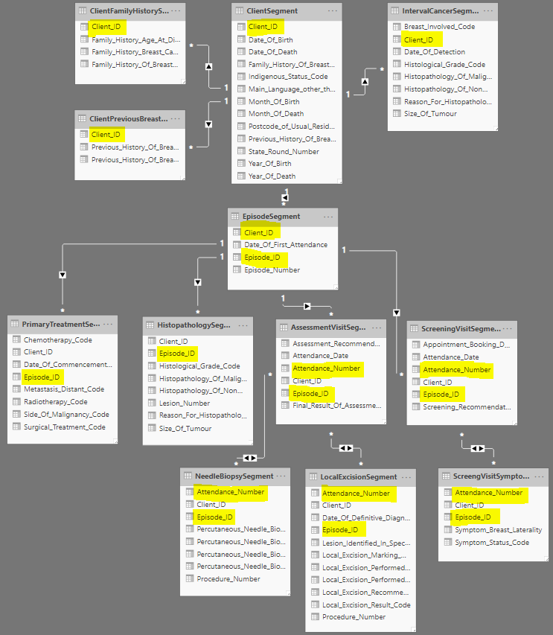
NSW BreastScreen MLK Content Data Specifications

File Format: | Relational tables in csv with double quotes text delimiter.
Inclusion: | Content data is synchronised with MLK demographic data.
Destination: | H:\Restricted Share\Data Team-CHeReL Share\Breastscreen\MLK Content Data

Content data tables:
S/N | TableName | ID column/s
1 | CheRelMLKContent_ClientSegment | Client_ID
2 | CheRelMLKContent_ClientPreviousBreastCancerSegment | Client_ID
3 | CheRelMLKContent_ClientFamilyHistorySegment | Client_ID
4 | CheRelMLKContent_EpisodeSegment | Client_ID, Episode_ID
5 | CheRelMLKContent_ScreeningVisitSegment | Client_ID, Episode_ID, Attendance_Number
6 | CheRelMLKContent_ScreeningVisitSymptonSegment | Client_ID, Episode_ID, Attendance_Number
7 | CheRelMLKContent_AsessmentVisitSegment | Client_ID, Episode_ID, Attendance_Number
8 | CheRelMLKContent_LocalExcisionSegment | Client_ID, Episode_ID, Attendance_Number, Procedure_Number
9 | CheRelMLKContent_NeedleBiopsySegment | Client_ID, Episode_ID, Attendance_Number, Procedure_Number
10 | CheRelMLKContent_IntervalCancerSegment | Client_ID
11 | CheRelMLKContent_PrimaryTreatmentSegment | Client_ID, Episode_ID
12 | CheRelMLKContent_HistopathologySegment | Client_ID, Episode_ID, Lesion_Number

Entity Relationship Diagram:

